8b. Project Management Process
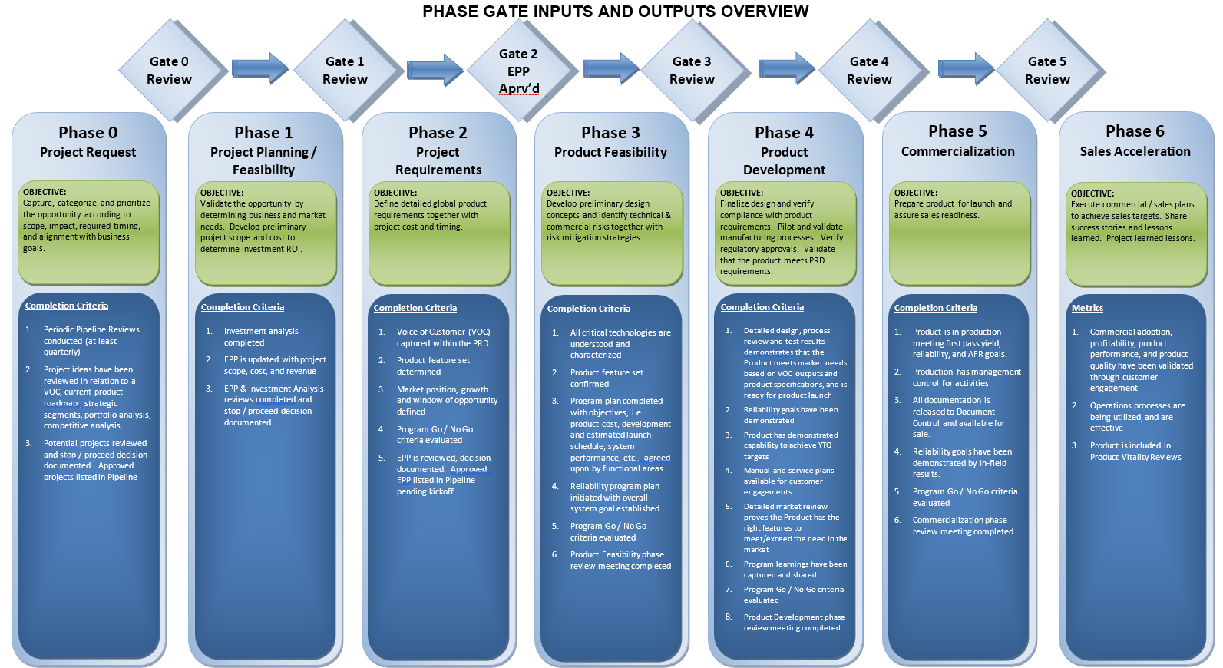
Use the blank page to detail your company's project management process. E.g. If given a new project today. List out the your internal processes from each phase the project lifecycle: Concept, Feasibility and Engineering, Execution, and Ramp/Bring up. You may chose to include things like: Process Map, Project management structure for each project / Single PM on each project, decision making process, etc.

9b. Technical Roadmap
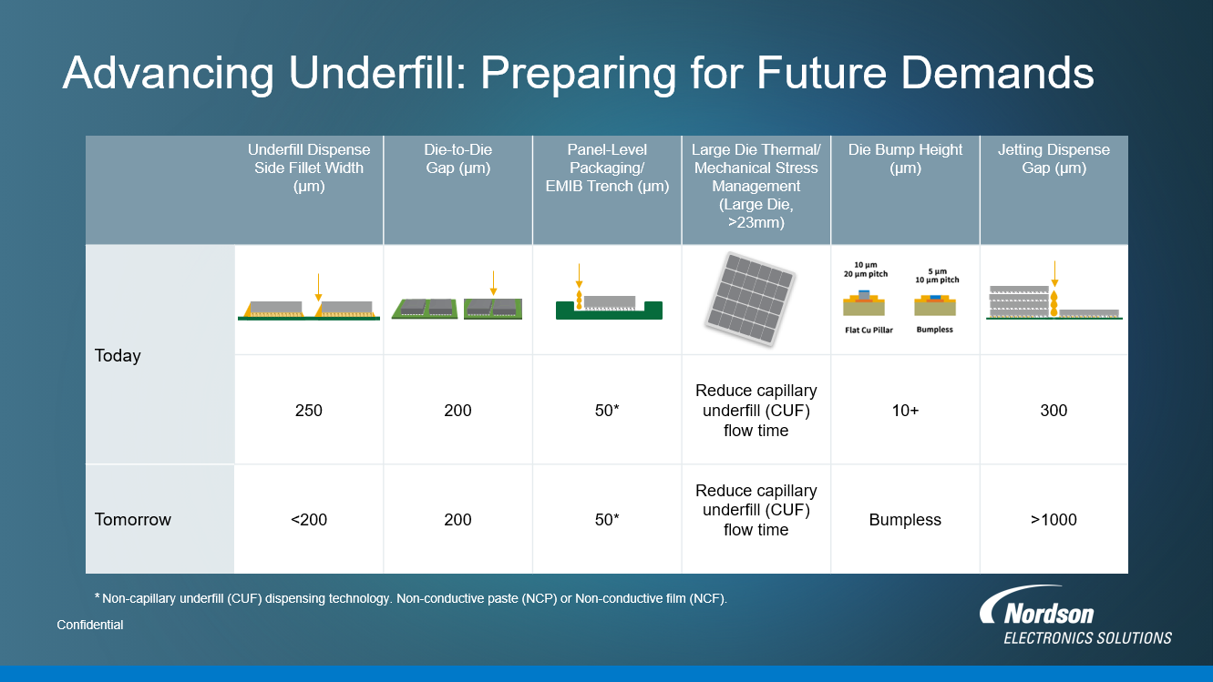
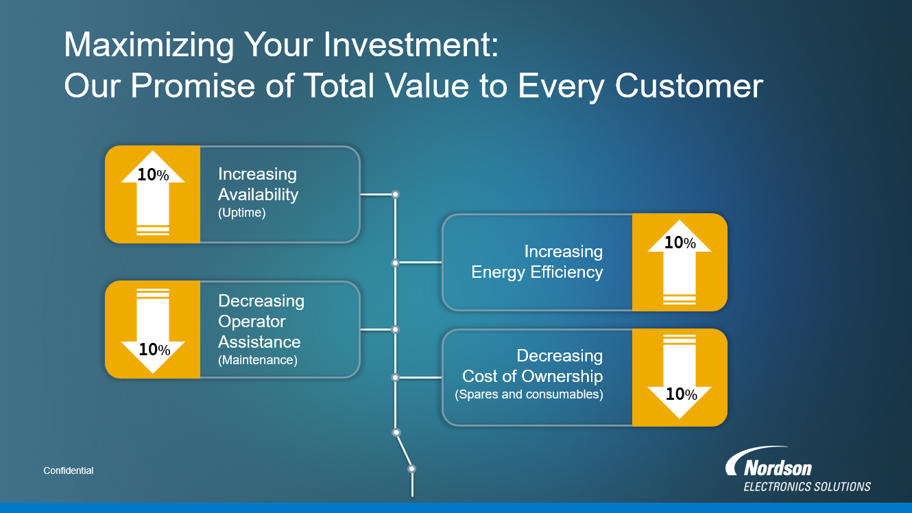
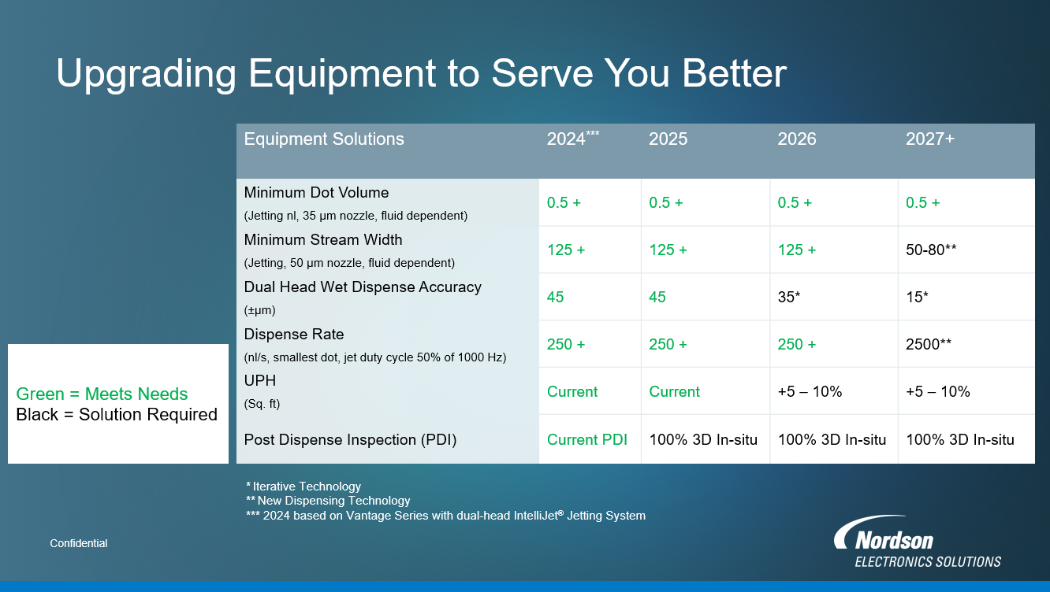
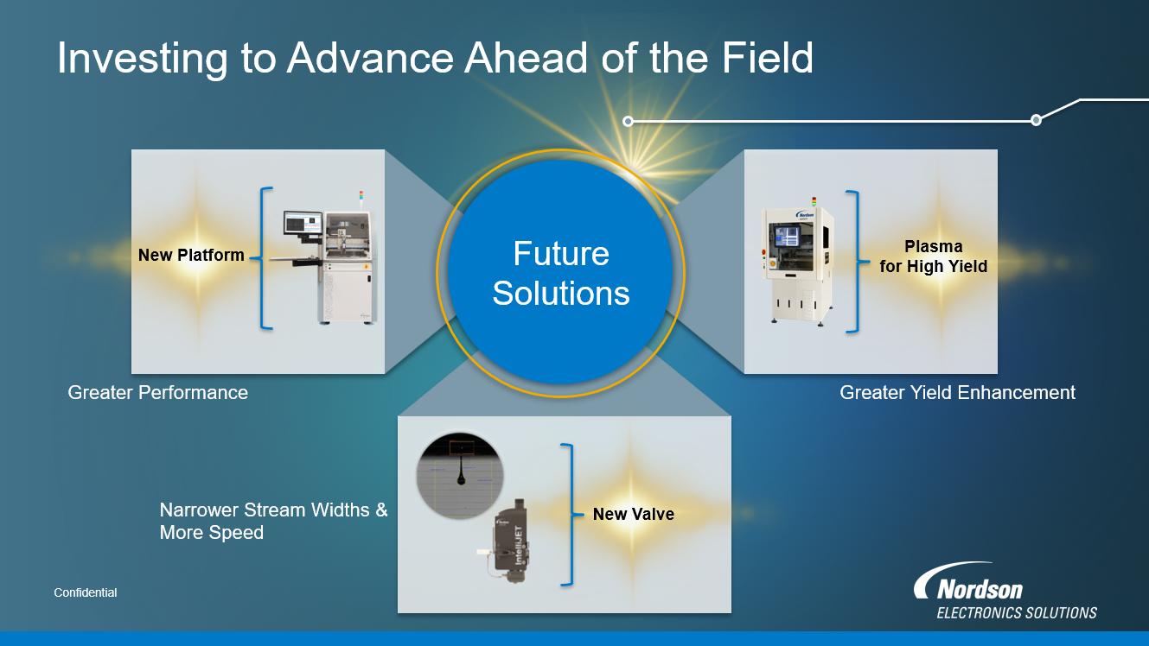
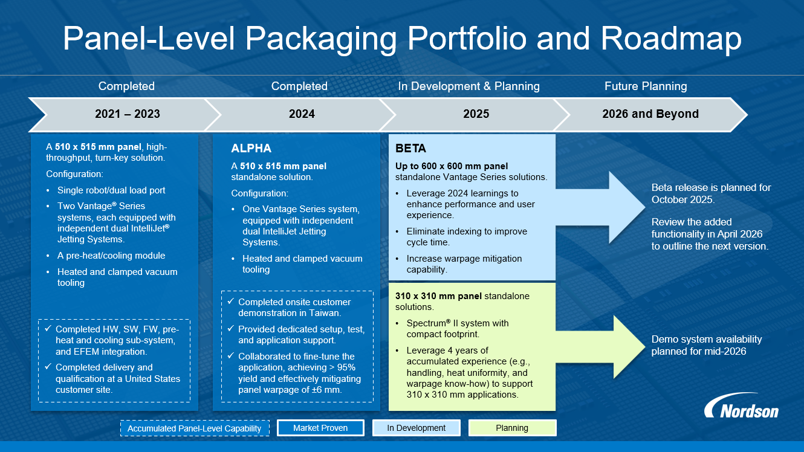
Use the blank page to detail your company's technical roadmap for apple or other customers

